Data
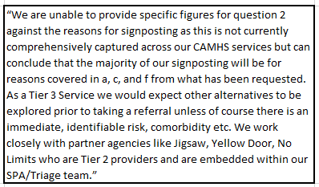
1.How many referrals to CAMHS services has there been since 2018/19? Please can this be broken down by year and broken down into those being referred to mental health services, and those referred for autism or learning difficulties?

2018/2019
Services | Number of Referrals
Autism | 591
Mental Health | 3568
Grand Total | 4159

2019/2020
Services | Number of Referrals
Autism | 805
Mental Health | 3552
Grand Total | 4357

2020/2021
Services | Number of Referrals
Autism | 557
Mental Health | 3938
Grand Total | 4495

2021-to date
Services | Number of Referrals
Autism | 255
Mental Health | 3308
Grand Total | 3563

2.What percentage of referrals to CAMHS services have been rejected or deemed inappropriate for each financial year since 2018/19?

 | Number of outcomed referrals | Rejected | %
2018/2019 | 3228 | 395 | 12.2
2019/2020 | 3163 | 984 | 31.1
2020/2021 | 3865 | 1206 | 31.2
2021- to date | 2951 | 929 | 31.5

5. Do you wish to make any further comments on the issue of rejected referrals to children’s mental health services and overall waiting times for children accessing mental health services?

